Architecture
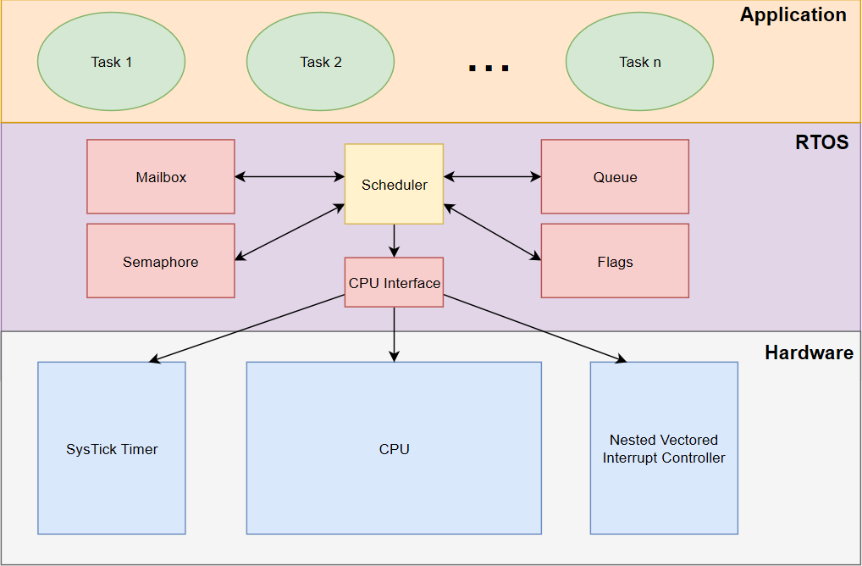

Note: CPU interface is a private module used only by scheduler.

